Shots
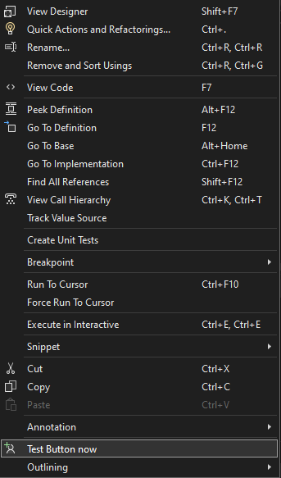
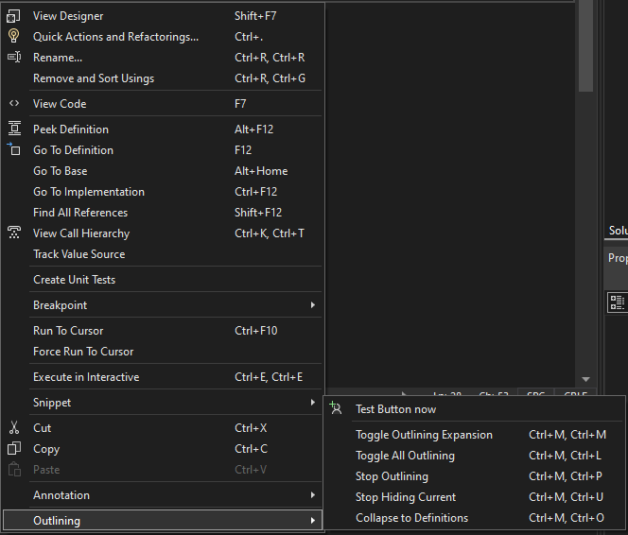
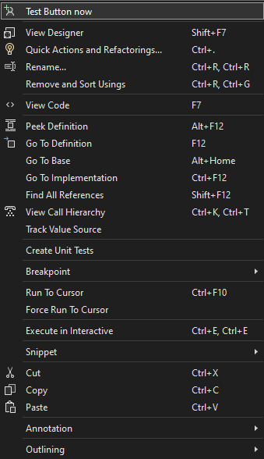
IDG_VS_CODEWIN_ADVANCED | IDG_VS_CODEWIN_CTXT_OUTLINING | IDG_VS_CODEWIN_MARKER

